Calculations
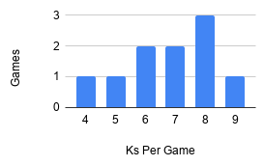
 | Avg K =6.8
 | Line = 6.5 Ks
 | Projected Percentage Over = 57.9%
 | Projected Odds Over = -138
 | Odds = -110
 | EV = 10.54


Matchup Grade
B
A
C-
A-
B
B+
B+
A+
A
A
B-
A
C+

